Form Responses 1
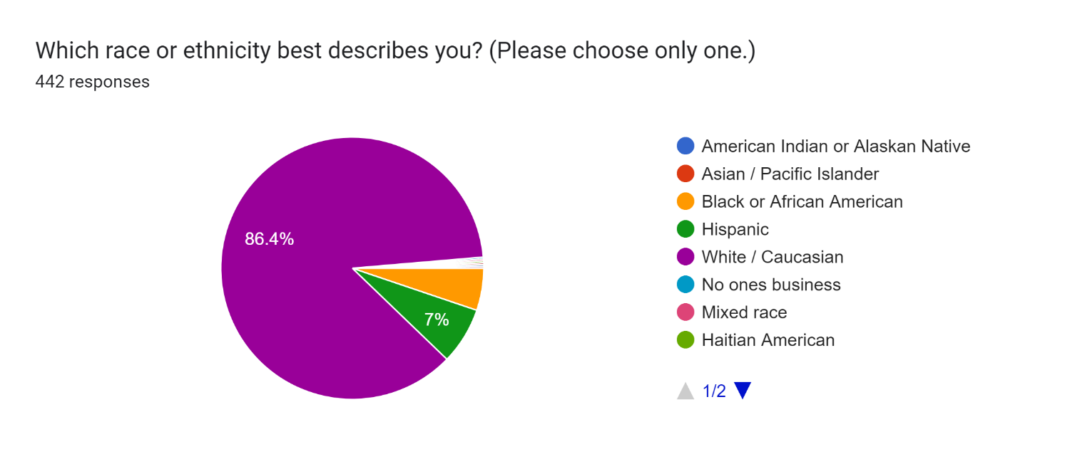
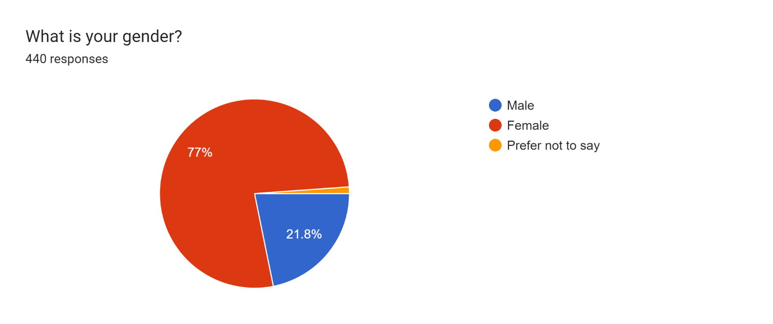
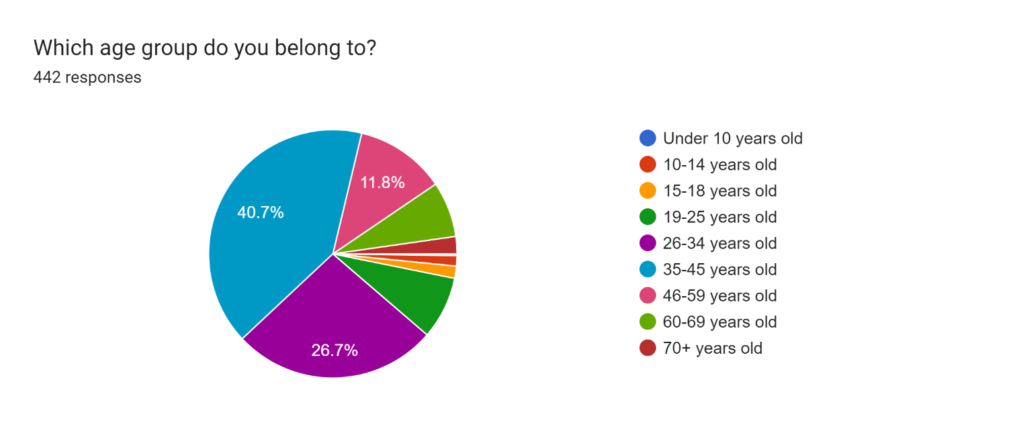
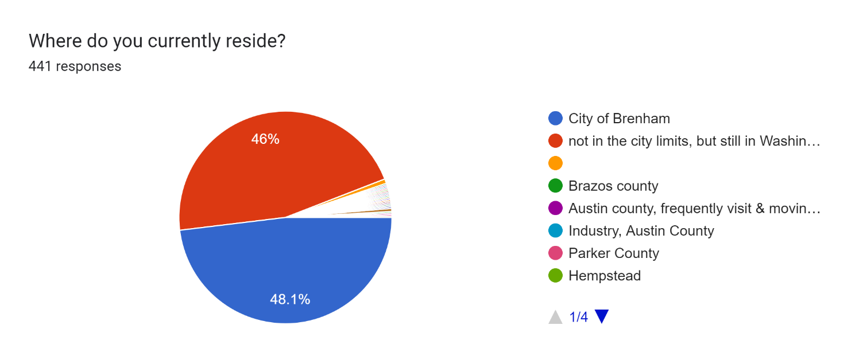
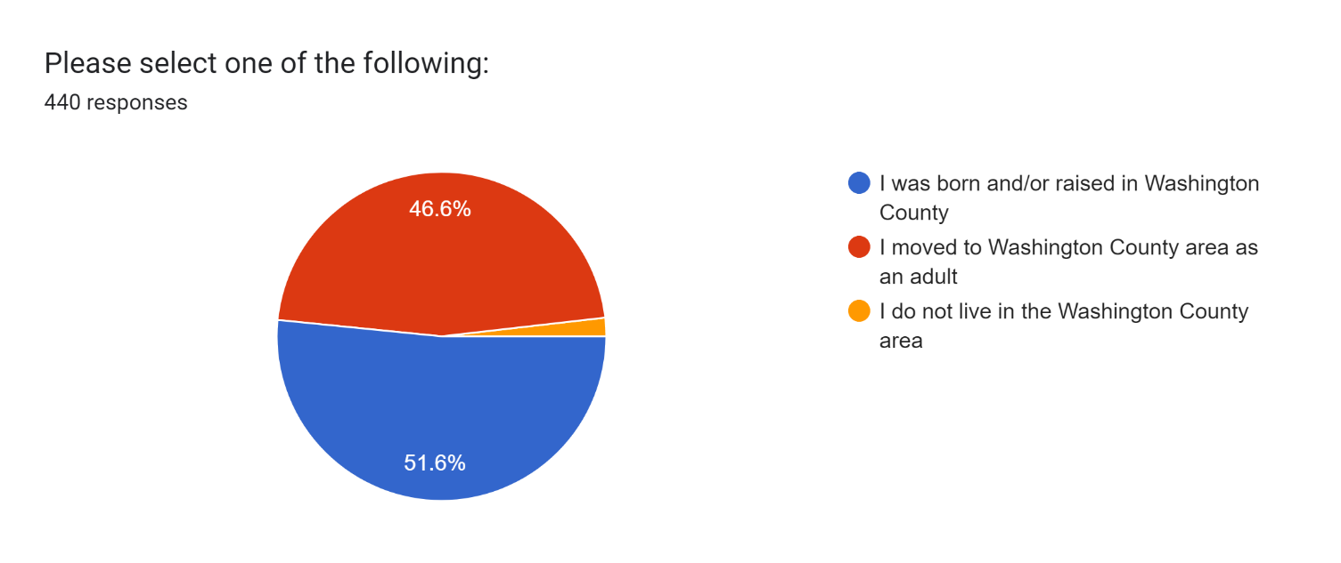
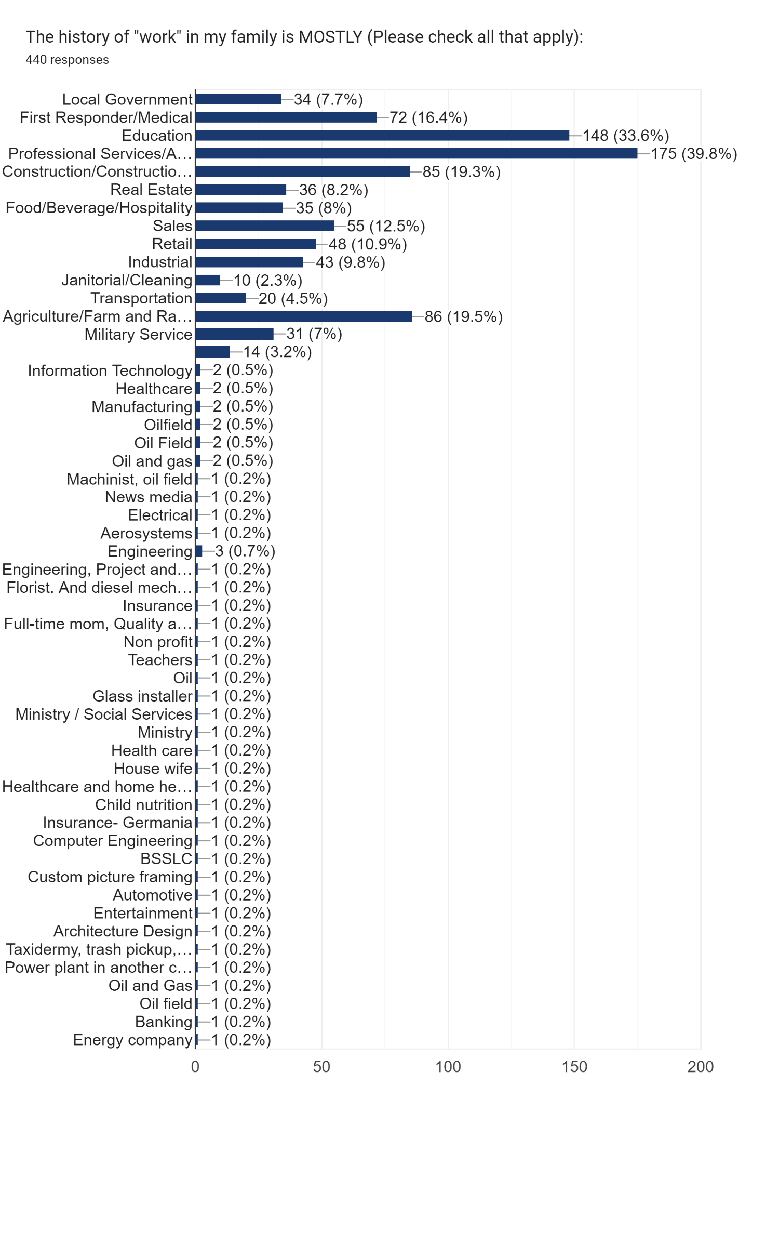
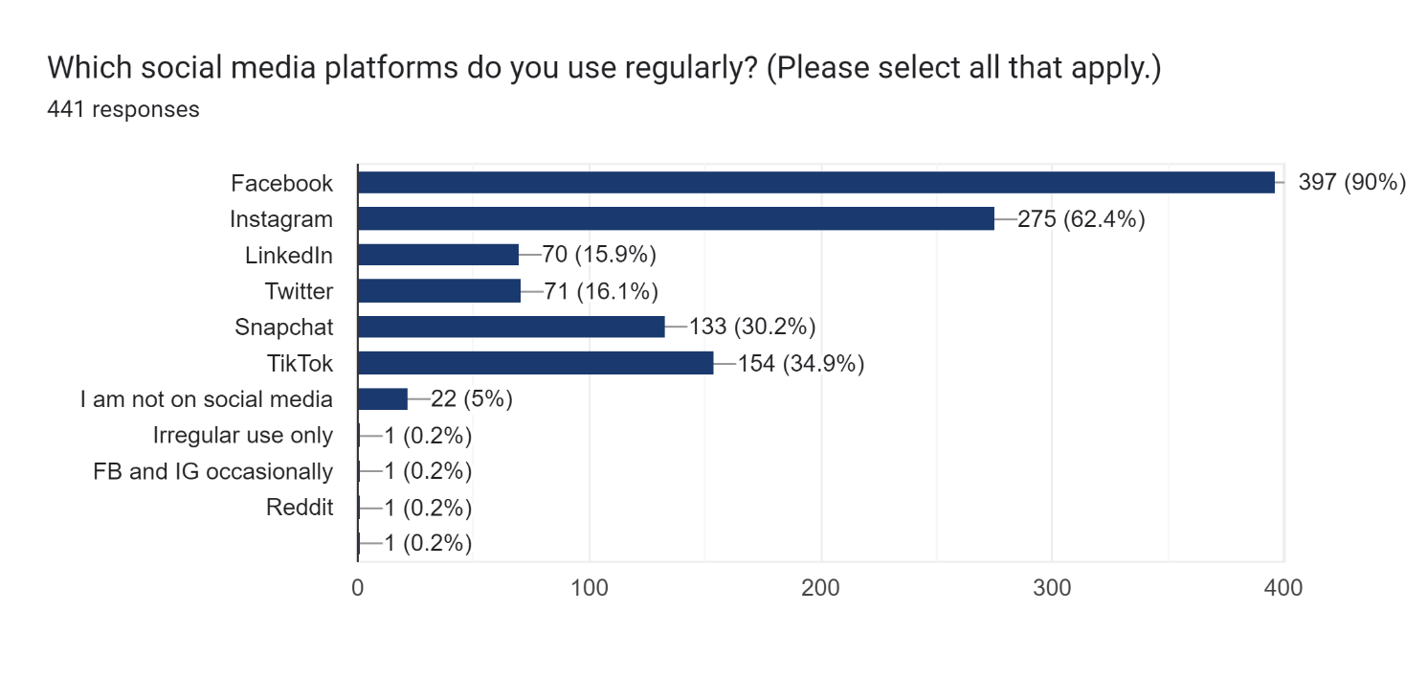
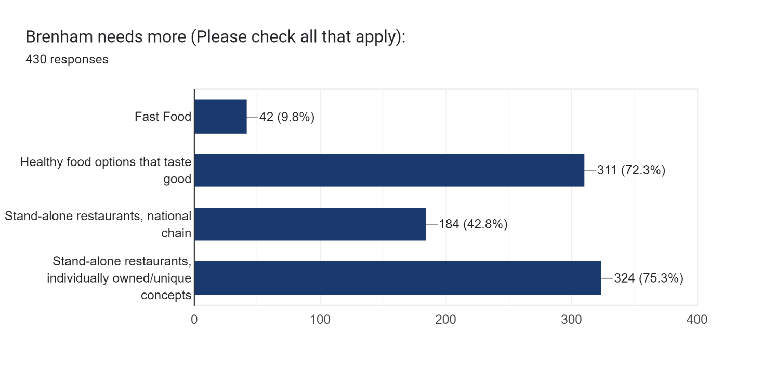
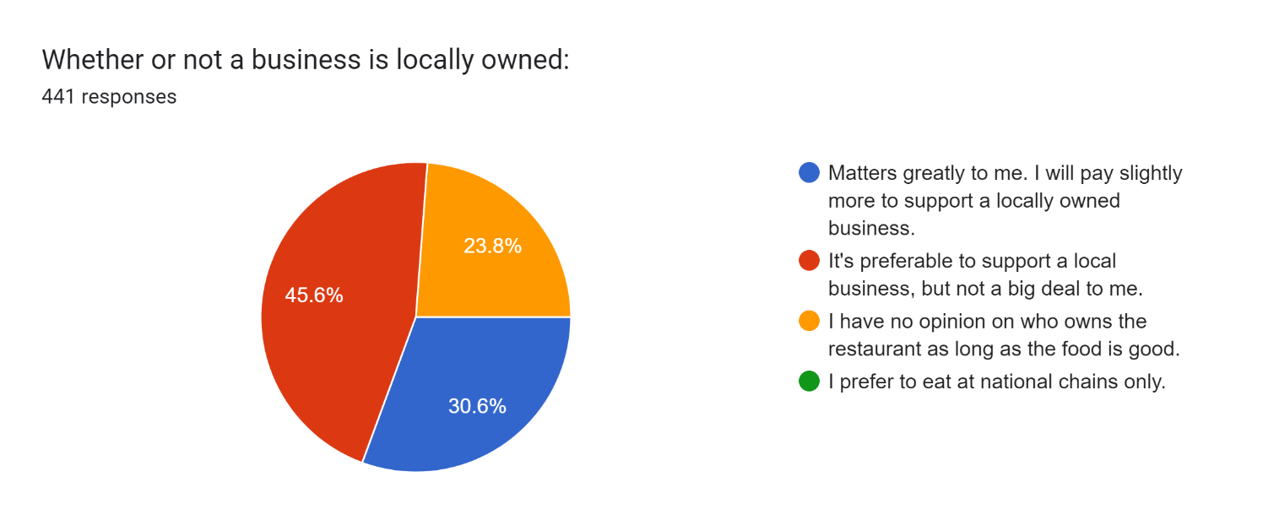
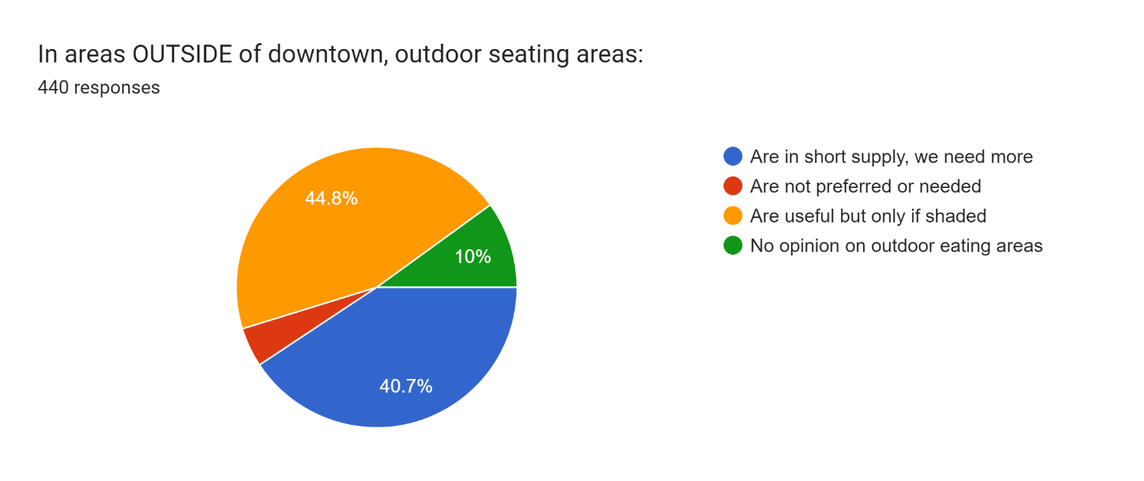
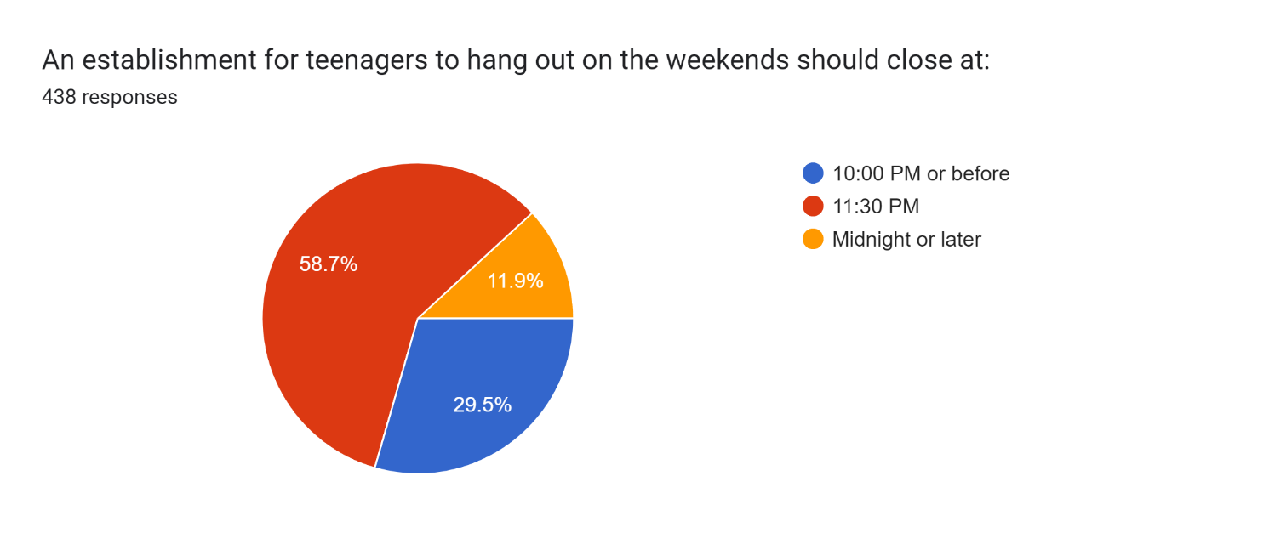
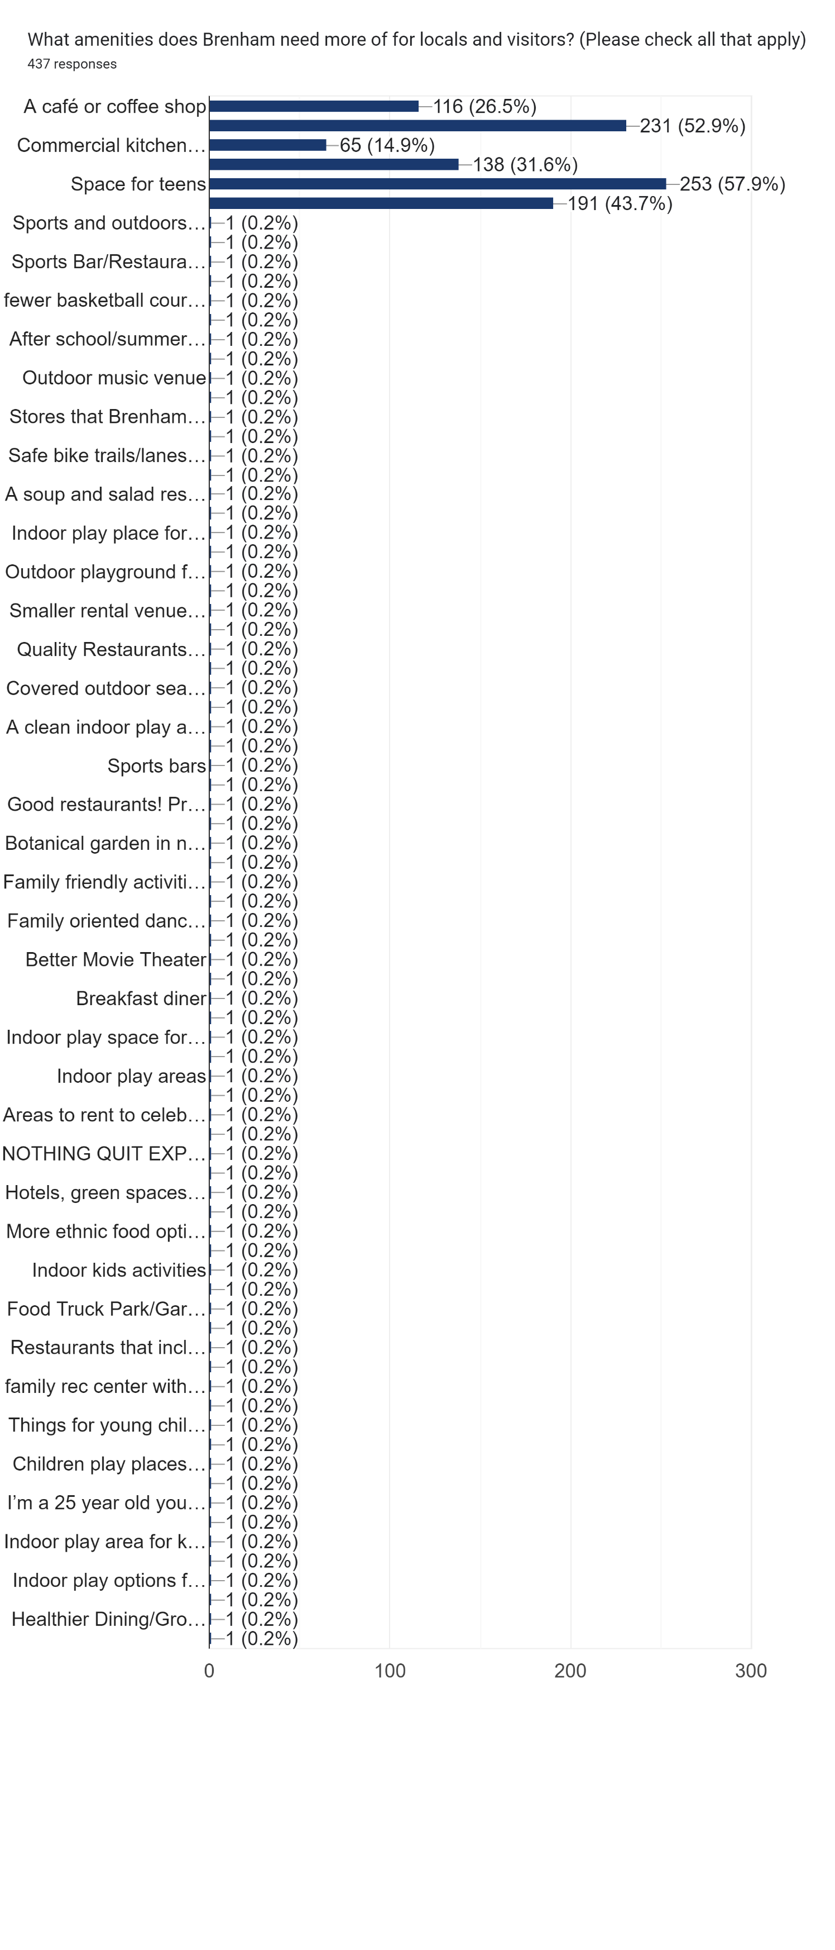
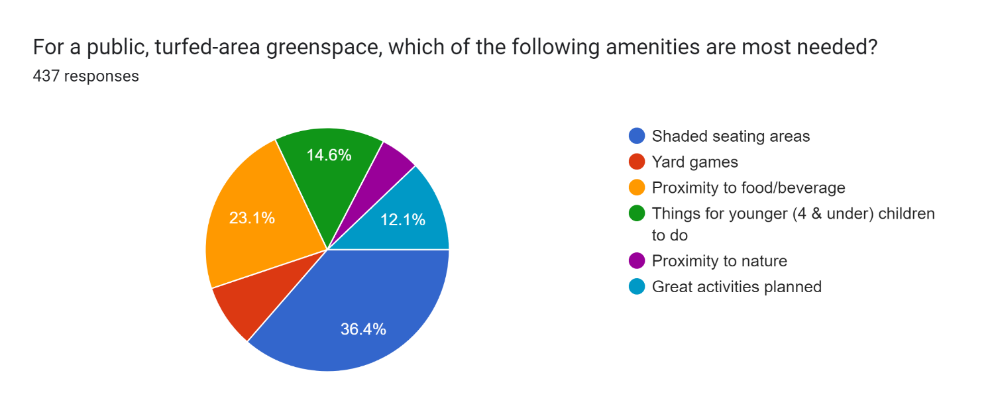
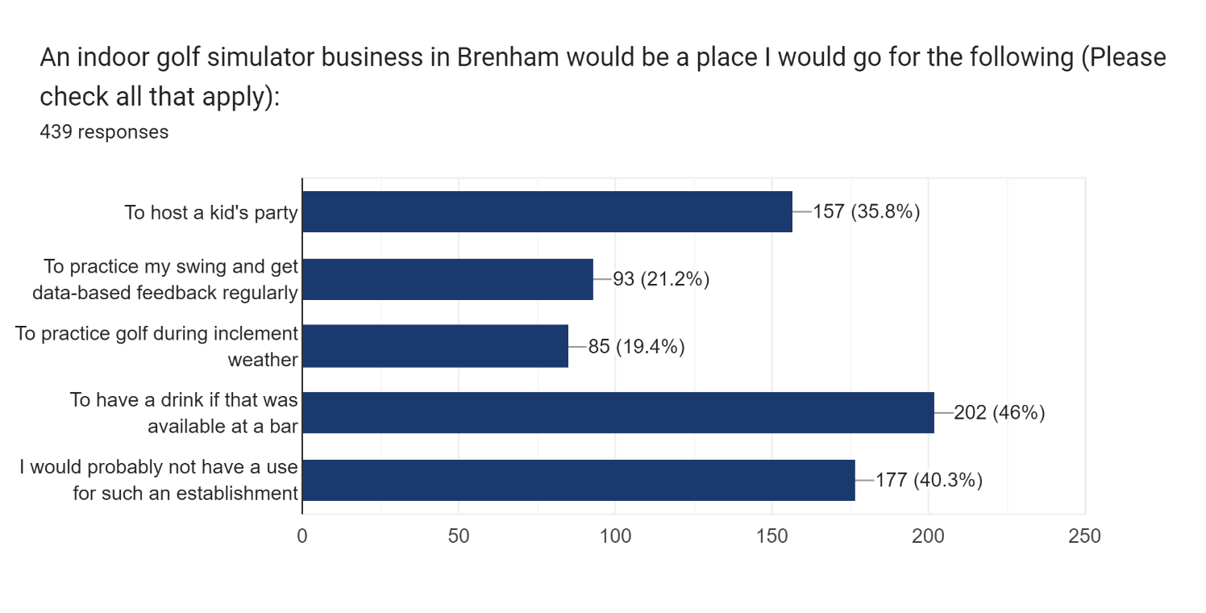
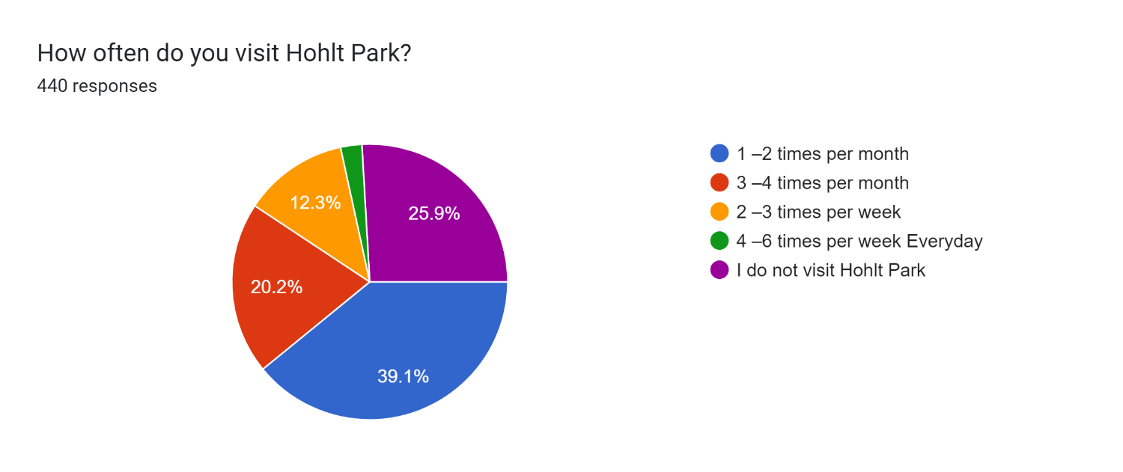
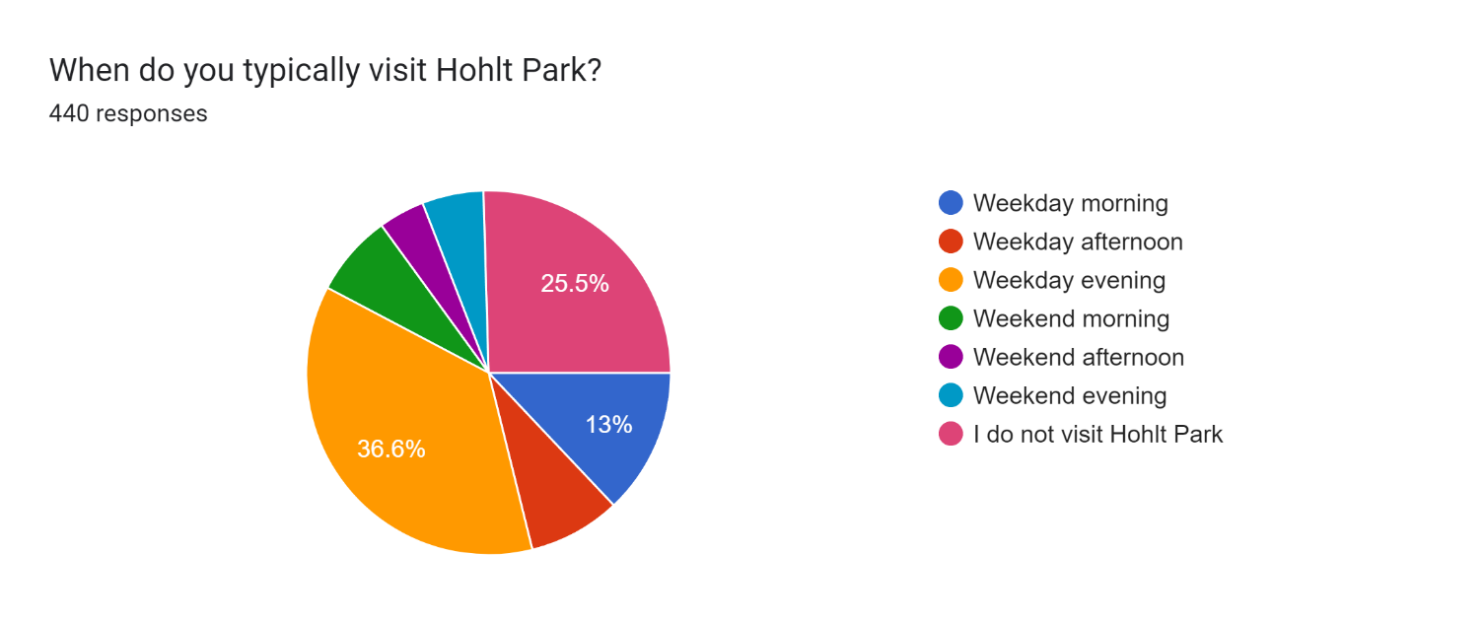
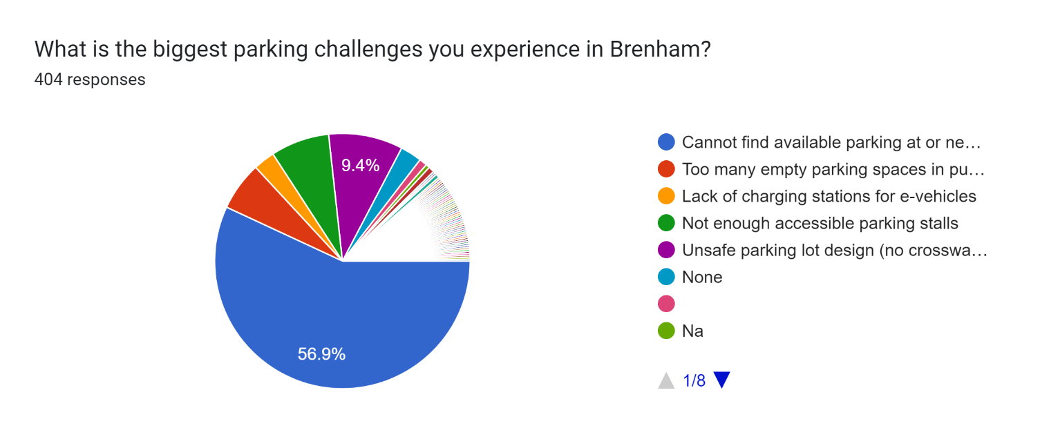

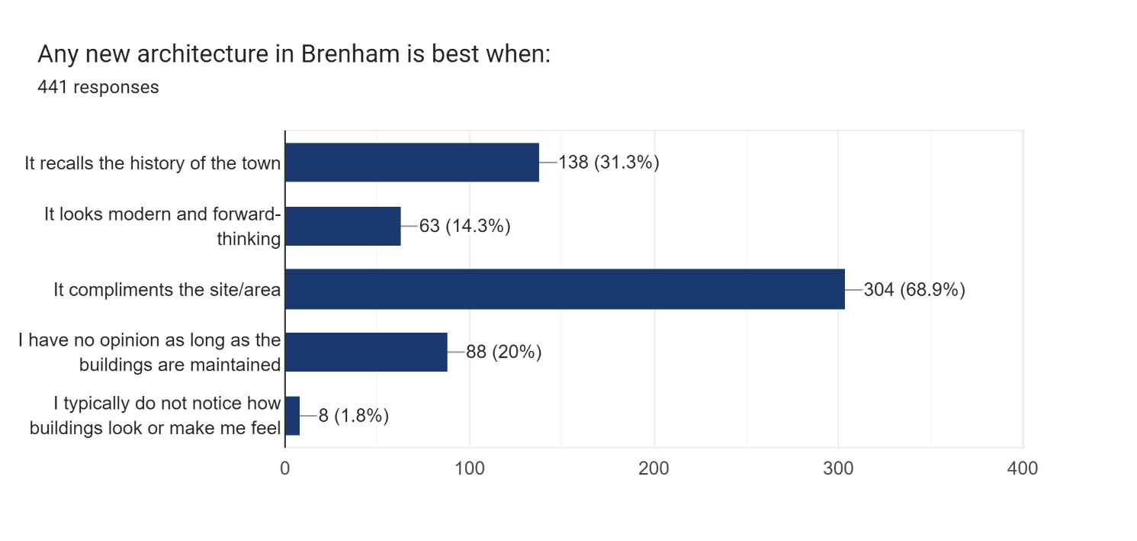
Timestamp | Which race or ethnicity best describes you? | What is your gender? | Which age group do you belong to? | Where do you currently reside? | Please select one of the following: | The history of "work" in my family is MOSTLY (Please check all that apply): | Which social media platforms do you use regularly? (Please select all that apply.) | Brenham needs more (Please check all that apply): | Whether or not a business is locally owned: | In areas OUTSIDE of downtown, outdoor seating areas: | An establishment for teenagers to hang out on the weekends should close at: | What amenities does Brenham need more of for locals and visitors? (Please check all that apply) | For a public, turfed-area greenspace, which of the following amenities are most needed? | An indoor golf simulator business in Brenham would be a place I would go for the following (Please check all that apply): | How often do you visit Hohlt Park? | When do you typically visit Hohlt Park? | What is the biggest parking challenges you experience in Brenham? | Which of the following is the most important parking characteristics to you? | Any new architecture in Brenham is best when:
5/18/2023 | White / Caucasian | Female | 35-45 years old | not in the city limits, but still in Washington County | I was born and/or raised in Washington County | Professional Services/Administrative/Business, Construction/Construction Trades, Real Estate | Facebook, Instagram, LinkedIn | Healthy food options that taste good, Stand-alone restaurants, individually owned/unique concepts | Matters greatly to me. I will pay slightly more to support a locally owned business. | Are in short supply, we need more | Midnight or later | A café or coffee shop, Space for teens | Proximity to food/beverage | To host a kid's party | 2 –3 times per week | Weekday evening | Unsafe parking lot design (no crosswalks, etc.) | Well-designed parking facilities (safety, walking facilities, landscape, etc.) | It compliments the site/area
5/18/2023 | White / Caucasian | Male | 10-14 years old | not in the city limits, but still in Washington County | I was born and/or raised in Washington County | Construction/Construction Trades, Real Estate, Agriculture/Farm and Ranch | I am not on social media | Healthy food options that taste good, Stand-alone restaurants, individually owned/unique concepts | I have no opinion on who owns the restaurant as long as the food is good. | No opinion on outdoor eating areas | 11:30 PM | A café or coffee shop, Large outdoor spaces for community or family events, Nature area for walking, biking, birdwatching, Sports and outdoors stores | Great activities planned | To host a kid's party, To practice my swing and get data-based feedback regularly | 3 –4 times per month | Weekday evening | Not enough accessible parking stalls | Being able to park as long as I want | It looks modern and forward-thinking, It compliments the site/area
5/18/2023 | White / Caucasian | Male | 10-14 years old | not in the city limits, but still in Washington County | I was born and/or raised in Washington County | Professional Services/Administrative/Business, Construction/Construction Trades, Real Estate, Agriculture/Farm and Ranch | I am not on social media | Healthy food options that taste good, Stand-alone restaurants, individually owned/unique concepts | It's preferable to support a local business, but not a big deal to me. | Are in short supply, we need more | 11:30 PM | A café or coffee shop, Large outdoor spaces for community or family events, Commercial kitchen a small business could rent, Space for arts, crafts, or hobbies, Space for teens, Nature area for walking, biking, birdwatching, Maybe some sports opportunities for kids/teens and people to hang out at | Great activities planned | To host a kid's party, To practice my swing and get data-based feedback regularly, To practice golf during inclement weather, To have a drink if that was available at a bar | 2 –3 times per week | Weekday evening | Cannot find available parking at or near (within a block) my destination | Well-designed parking facilities (safety, walking facilities, landscape, etc.) | It recalls the history of the town, It looks modern and forward-thinking, It compliments the site/area
5/18/2023 | White / Caucasian | Female | 35-45 years old | City of Brenham | I moved to Washington County area as an adult | Professional Services/Administrative/Business, Construction/Construction Trades | Facebook, Instagram | Healthy food options that taste good, Stand-alone restaurants, individually owned/unique concepts | Matters greatly to me. I will pay slightly more to support a locally owned business. | Are useful but only if shaded | 11:30 PM | Large outdoor spaces for community or family events, Space for teens, Nature area for walking, biking, birdwatching | Things for younger (4 & under) children to do | To host a kid's party | 1 –2 times per month | Weekday evening | Safety of children crossing | Well-designed parking facilities (safety, walking facilities, landscape, etc.) | It recalls the history of the town
5/18/2023 | White / Caucasian | Male | 35-45 years old | City of Brenham | I was born and/or raised in Washington County | Construction/Construction Trades | I am not on social media | Healthy food options that taste good, Stand-alone restaurants, individually owned/unique concepts | Matters greatly to me. I will pay slightly more to support a locally owned business. | Are in short supply, we need more | Midnight or later | A café or coffee shop, Large outdoor spaces for community or family events, Space for arts, crafts, or hobbies, Space for teens, Nature area for walking, biking, birdwatching | Things for younger (4 & under) children to do | To host a kid's party, To practice golf during inclement weather, To have a drink if that was available at a bar | 3 –4 times per month | Weekday evening | Cannot find available parking at or near (within a block) my destination | Well-designed parking facilities (safety, walking facilities, landscape, etc.) | It compliments the site/area
5/18/2023 | White / Caucasian | Male | 35-45 years old | not in the city limits, but still in Washington County | I moved to Washington County area as an adult | Construction/Construction Trades, Machinist, oil field | Facebook, LinkedIn | Healthy food options that taste good | Matters greatly to me. I will pay slightly more to support a locally owned business. | Are in short supply, we need more | 11:30 PM | Large outdoor spaces for community or family events, Space for teens, Nature area for walking, biking, birdwatching | Proximity to food/beverage | To practice my swing and get data-based feedback regularly | 2 –3 times per week | Weekday evening | Cannot find available parking at or near (within a block) my destination | Well-designed parking facilities (safety, walking facilities, landscape, etc.) | It compliments the site/area
5/18/2023 | White / Caucasian | Female | 60-69 years old | not in the city limits, but still in Washington County | I moved to Washington County area as an adult | Construction/Construction Trades | I am not on social media | Healthy food options that taste good | Matters greatly to me. I will pay slightly more to support a locally owned business. | Are useful but only if shaded | 11:30 PM | Commercial kitchen a small business could rent | Shaded seating areas | To practice my swing and get data-based feedback regularly | 4 –6 times per week Everyday | Weekday evening | Cannot find available parking at or near (within a block) my destination | Parking is always available at or near (within a block) | It compliments the site/area
5/18/2023 | White / Caucasian | Female | 35-45 years old | not in the city limits, but still in Washington County | I was born and/or raised in Washington County | Education, Construction/Construction Trades, Transportation, Agriculture/Farm and Ranch | Facebook | Healthy food options that taste good | It's preferable to support a local business, but not a big deal to me. | Are in short supply, we need more | 11:30 PM | Large outdoor spaces for community or family events, Space for teens | Yard games | To host a kid's party | 2 –3 times per week | Weekday evening | Not enough accessible parking stalls | Parking is always available at or near (within a block) | It recalls the history of the town, I have no opinion as long as the buildings are maintained
5/21/2023 | White / Caucasian | Male | 35-45 years old | not in the city limits, but still in Washington County | I was born and/or raised in Washington County | Construction/Construction Trades, Agriculture/Farm and Ranch | I am not on social media | Stand-alone restaurants, individually owned/unique concepts | I have no opinion on who owns the restaurant as long as the food is good. | Are not preferred or needed | 11:30 PM | Space for teens | Proximity to food/beverage | I would probably not have a use for such an establishment | 2 –3 times per week | Weekday evening | Too many empty parking spaces in public areas | Lighted | It compliments the site/area
5/26/2023 | White / Caucasian | Male | 35-45 years old | not in the city limits, but still in Washington County | I moved to Washington County area as an adult | Education, Professional Services/Administrative/Business, Construction/Construction Trades | Facebook, Instagram, LinkedIn, Twitter | Healthy food options that taste good, Stand-alone restaurants, individually owned/unique concepts | It's preferable to support a local business, but not a big deal to me. | Are in short supply, we need more | 11:30 PM | A café or coffee shop, Space for arts, crafts, or hobbies, Space for teens, Nature area for walking, biking, birdwatching | Things for younger (4 & under) children to do | To host a kid's party, To practice my swing and get data-based feedback regularly, To have a drink if that was available at a bar | 1 –2 times per month | Weekend morning | Not enough accessible parking stalls | Well-designed parking facilities (safety, walking facilities, landscape, etc.) | It looks modern and forward-thinking, It compliments the site/area
5/26/2023 | White / Caucasian | Female | 35-45 years old | not in the city limits, but still in Washington County | I was born and/or raised in Washington County | Education, Construction/Construction Trades, Agriculture/Farm and Ranch | Facebook, Snapchat, TikTok | Fast Food, Healthy food options that taste good, Stand-alone restaurants, national chain | I have no opinion on who owns the restaurant as long as the food is good. | Are in short supply, we need more | 11:30 PM | Space for teens, Sports Bar/Restaurant that is family friendly | Shaded seating areas | To host a kid's party, To have a drink if that was available at a bar | 2 –3 times per week | Weekday evening | Cannot find available parking at or near (within a block) my destination | Well-designed parking facilities (safety, walking facilities, landscape, etc.) | I have no opinion as long as the buildings are maintained
5/26/2023 | White / Caucasian | Female | 35-45 years old | City of Brenham | I was born and/or raised in Washington County | Local Government, Education, Professional Services/Administrative/Business, Real Estate, Food/Beverage/Hospitality | Facebook, Instagram, Twitter | Healthy food options that taste good, Stand-alone restaurants, individually owned/unique concepts | Matters greatly to me. I will pay slightly more to support a locally owned business. | Are in short supply, we need more | 11:30 PM | Large outdoor spaces for community or family events, Space for teens | Shaded seating areas | To host a kid's party, To have a drink if that was available at a bar | I do not visit Hohlt Park | I do not visit Hohlt Park | NONE | Being able to park as long as I want | It recalls the history of the town, It compliments the site/area
5/26/2023 | White / Caucasian | Female | 26-34 years old | not in the city limits, but still in Washington County | I was born and/or raised in Washington County | First Responder/Medical, Professional Services/Administrative/Business, Retail | Facebook | Healthy food options that taste good | I have no opinion on who owns the restaurant as long as the food is good. | No opinion on outdoor eating areas | 11:30 PM | Space for teens | Things for younger (4 & under) children to do | To have a drink if that was available at a bar | 2 –3 times per week | Weekend morning | Cannot find available parking at or near (within a block) my destination | Being able to park as long as I want | It compliments the site/area
5/26/2023 | White / Caucasian | Female | 19-25 years old | City of Brenham | I moved to Washington County area as an adult | Local Government, Education, Sales, Military Service | Facebook, Snapchat, TikTok | Healthy food options that taste good | It's preferable to support a local business, but not a big deal to me. | Are in short supply, we need more | 11:30 PM | Large outdoor spaces for community or family events, Nature area for walking, biking, birdwatching | Great activities planned | To practice my swing and get data-based feedback regularly, To practice golf during inclement weather, To have a drink if that was available at a bar | 3 –4 times per month | Weekend afternoon | Cannot find available parking at or near (within a block) my destination | Well-designed parking facilities (safety, walking facilities, landscape, etc.) | It recalls the history of the town, It compliments the site/area
5/26/2023 | White / Caucasian | Male | 26-34 years old | City of Brenham | I was born and/or raised in Washington County | Education, Food/Beverage/Hospitality, Agriculture/Farm and Ranch | Facebook, Twitter, Snapchat | Fast Food, Stand-alone restaurants, national chain | Matters greatly to me. I will pay slightly more to support a locally owned business. | Are in short supply, we need more | Midnight or later | Space for teens, More Food places in general and more fast food variety | Proximity to food/beverage | I would probably not have a use for such an establishment | I do not visit Hohlt Park | I do not visit Hohlt Park | Not enough accessible parking stalls | Well-designed parking facilities (safety, walking facilities, landscape, etc.) | It recalls the history of the town
5/26/2023 | White / Caucasian | Male | 46-59 years old | City of Brenham | I moved to Washington County area as an adult | Local Government | I am not on social media | Stand-alone restaurants, national chain, Stand-alone restaurants, individually owned/unique concepts | I have no opinion on who owns the restaurant as long as the food is good. | Are useful but only if shaded | 10:00 PM or before | A café or coffee shop, fewer basketball courts, they attract thugs | Proximity to food/beverage | I would probably not have a use for such an establishment | I do not visit Hohlt Park | I do not visit Hohlt Park | Cannot find available parking at or near (within a block) my destination | Well-designed parking facilities (safety, walking facilities, landscape, etc.) | It compliments the site/area
5/26/2023 | Black or African American | Male | 19-25 years old | City of Brenham | I was born and/or raised in Washington County | Education, Professional Services/Administrative/Business | Facebook, Snapchat | Stand-alone restaurants, national chain, Stand-alone restaurants, individually owned/unique concepts | I have no opinion on who owns the restaurant as long as the food is good. | Are in short supply, we need more | 11:30 PM | Large outdoor spaces for community or family events | Shaded seating areas | To host a kid's party, To have a drink if that was available at a bar | 2 –3 times per week | Weekday evening | Cannot find available parking at or near (within a block) my destination | Being able to park as long as I want | It looks modern and forward-thinking, It compliments the site/area
5/26/2023 | White / Caucasian | Female | 26-34 years old | City of Brenham | I moved to Washington County area as an adult | Local Government, Education, Professional Services/Administrative/Business, Real Estate | Facebook | Healthy food options that taste good, Stand-alone restaurants, individually owned/unique concepts | Matters greatly to me. I will pay slightly more to support a locally owned business. | Are useful but only if shaded | 10:00 PM or before | Nature area for walking, biking, birdwatching, Restaurants with shaded outdoor seating and play area for kids | Yard games | I would probably not have a use for such an establishment | 3 –4 times per month | Weekday evening | Cannot find available parking at or near (within a block) my destination | Parking is always available at or near (within a block) | It recalls the history of the town, It compliments the site/area
5/26/2023 | White / Caucasian | Female | 35-45 years old | City of Brenham | I was born and/or raised in Washington County | Industrial | Facebook, Instagram | Fast Food, Stand-alone restaurants, national chain | I have no opinion on who owns the restaurant as long as the food is good. | Are useful but only if shaded | 11:30 PM | Large outdoor spaces for community or family events | Proximity to food/beverage | I would probably not have a use for such an establishment | 1 –2 times per month | Weekday evening | Cannot find available parking at or near (within a block) my destination | Well-designed parking facilities (safety, walking facilities, landscape, etc.) | It recalls the history of the town, It compliments the site/area
5/26/2023 | White / Caucasian | Male | 26-34 years old | City of Brenham | I moved to Washington County area as an adult | Education, Professional Services/Administrative/Business, Real Estate, Food/Beverage/Hospitality, Military Service | I am not on social media | Healthy food options that taste good, Stand-alone restaurants, national chain, Stand-alone restaurants, individually owned/unique concepts | It's preferable to support a local business, but not a big deal to me. | Are useful but only if shaded | 10:00 PM or before | Large outdoor spaces for community or family events, Space for arts, crafts, or hobbies, Space for teens, Nature area for walking, biking, birdwatching | Proximity to nature | I would probably not have a use for such an establishment | 3 –4 times per month | Weekday morning | Too many empty parking spaces in public areas | Well-designed parking facilities (safety, walking facilities, landscape, etc.) | It recalls the history of the town
5/26/2023 | White / Caucasian | Female | 35-45 years old | not in the city limits, but still in Washington County | I was born and/or raised in Washington County | Industrial | Facebook, Instagram, LinkedIn, Twitter, Snapchat, TikTok | Healthy food options that taste good, Stand-alone restaurants, individually owned/unique concepts | It's preferable to support a local business, but not a big deal to me. | No opinion on outdoor eating areas | 10:00 PM or before | Space for teens | Shaded seating areas | To host a kid's party, To have a drink if that was available at a bar | 1 –2 times per month | Weekday evening | Cannot find available parking at or near (within a block) my destination | Well-designed parking facilities (safety, walking facilities, landscape, etc.) | It compliments the site/area
5/26/2023 | White / Caucasian | Female | 26-34 years old | City of Brenham | I was born and/or raised in Washington County | Professional Services/Administrative/Business, Construction/Construction Trades | Facebook, Instagram, TikTok | Healthy food options that taste good, Stand-alone restaurants, national chain, Stand-alone restaurants, individually owned/unique concepts | It's preferable to support a local business, but not a big deal to me. | Are useful but only if shaded | 11:30 PM | Large outdoor spaces for community or family events, Space for arts, crafts, or hobbies, Space for teens, Nature area for walking, biking, birdwatching, After school/summer program for kids too old for daycare but not old enough to be home alone & an indoor playground/jump World/ for rainy day fun for all ages | Yard games | To host a kid's party | 3 –4 times per month | Weekday evening | Unsafe parking lot design (no crosswalks, etc.) | Parking is always available at or near (within a block) | It recalls the history of the town, It compliments the site/area
5/26/2023 | White / Caucasian | Male | 26-34 years old | City of Brenham | I was born and/or raised in Washington County | Construction/Construction Trades, Real Estate | I am not on social media |  | It's preferable to support a local business, but not a big deal to me. | Are in short supply, we need more | 10:00 PM or before | Large outdoor spaces for community or family events, Outdoor dining | Proximity to food/beverage | To practice my swing and get data-based feedback regularly, To have a drink if that was available at a bar | 1 –2 times per month | Weekday evening | Unsafe parking lot design (no crosswalks, etc.) | Well-designed parking facilities (safety, walking facilities, landscape, etc.) | It recalls the history of the town
5/26/2023 | White / Caucasian | Male | 35-45 years old | City of Brenham | I was born and/or raised in Washington County | Professional Services/Administrative/Business, Construction/Construction Trades, Sales | Facebook, Instagram | Healthy food options that taste good, Stand-alone restaurants, individually owned/unique concepts | It's preferable to support a local business, but not a big deal to me. | Are in short supply, we need more | 11:30 PM | Large outdoor spaces for community or family events, Nature area for walking, biking, birdwatching | Shaded seating areas | To practice my swing and get data-based feedback regularly, To have a drink if that was available at a bar | 1 –2 times per month | Weekday evening | Cannot find available parking at or near (within a block) my destination | Well-designed parking facilities (safety, walking facilities, landscape, etc.) | It compliments the site/area, I have no opinion as long as the buildings are maintained
5/26/2023 | White / Caucasian | Male | 46-59 years old | City of Brenham | I was born and/or raised in Washington County | Professional Services/Administrative/Business, Retail, Transportation | Facebook | Healthy food options that taste good, Stand-alone restaurants, individually owned/unique concepts | It's preferable to support a local business, but not a big deal to me. | Are useful but only if shaded | 10:00 PM or before | Large outdoor spaces for community or family events, Space for arts, crafts, or hobbies, Space for teens, Outdoor music venue | Great activities planned | To practice my swing and get data-based feedback regularly, To practice golf during inclement weather | 3 –4 times per month | Weekday afternoon | Downtown parking is limited | Well-designed parking facilities (safety, walking facilities, landscape, etc.) | It recalls the history of the town, It looks modern and forward-thinking, It compliments the site/area
5/26/2023 | White / Caucasian | Male | 26-34 years old | City of Brenham | I moved to Washington County area as an adult | Local Government | Facebook, Instagram, Snapchat, TikTok | Stand-alone restaurants, national chain, Stand-alone restaurants, individually owned/unique concepts | I have no opinion on who owns the restaurant as long as the food is good. | Are in short supply, we need more | 10:00 PM or before | Large outdoor spaces for community or family events, Space for arts, crafts, or hobbies, Space for teens | Great activities planned | I would probably not have a use for such an establishment | 3 –4 times per month | Weekend morning | Unsafe parking lot design (no crosswalks, etc.) | Well-designed parking facilities (safety, walking facilities, landscape, etc.) | It compliments the site/area
5/26/2023 | White / Caucasian | Female | 35-45 years old | City of Brenham | I was born and/or raised in Washington County | Education, Construction/Construction Trades, Food/Beverage/Hospitality, Janitorial/Cleaning | Facebook, Instagram, Twitter | Healthy food options that taste good | It's preferable to support a local business, but not a big deal to me. | Are in short supply, we need more | 11:30 PM | Large outdoor spaces for community or family events, Commercial kitchen a small business could rent, Nature area for walking, biking, birdwatching | Shaded seating areas | To practice my swing and get data-based feedback regularly, To have a drink if that was available at a bar | 3 –4 times per month | Weekday afternoon | Unsafe parking lot design (no crosswalks, etc.) | Well-designed parking facilities (safety, walking facilities, landscape, etc.) | It looks modern and forward-thinking, It compliments the site/area
5/26/2023 | White / Caucasian | Male | 26-34 years old | City of Brenham | I was born and/or raised in Washington County | Education | Facebook, Instagram | Healthy food options that taste good, Stand-alone restaurants, individually owned/unique concepts | It's preferable to support a local business, but not a big deal to me. | Are useful but only if shaded | 11:30 PM | Large outdoor spaces for community or family events, Commercial kitchen a small business could rent, Nature area for walking, biking, birdwatching | Shaded seating areas | To host a kid's party, To practice my swing and get data-based feedback regularly, To have a drink if that was available at a bar | 3 –4 times per month | Weekday afternoon | Unsafe parking lot design (no crosswalks, etc.) | Well-designed parking facilities (safety, walking facilities, landscape, etc.) | It looks modern and forward-thinking, It compliments the site/area
5/26/2023 | White / Caucasian | Male | 26-34 years old | not in the city limits, but still in Washington County | I was born and/or raised in Washington County | First Responder/Medical, Real Estate, Sales, Retail, Agriculture/Farm and Ranch | Facebook, LinkedIn, Snapchat | Healthy food options that taste good, Stand-alone restaurants, national chain, Stand-alone restaurants, individually owned/unique concepts | Matters greatly to me. I will pay slightly more to support a locally owned business. | Are not preferred or needed | 11:30 PM | Large outdoor spaces for community or family events, Space for arts, crafts, or hobbies, Nature area for walking, biking, birdwatching, SPORTS BAR | Shaded seating areas | To practice my swing and get data-based feedback regularly, To practice golf during inclement weather, To have a drink if that was available at a bar | I do not visit Hohlt Park | I do not visit Hohlt Park | Too many empty parking spaces in public areas | Being able to park as long as I want | It compliments the site/area
5/26/2023 | White / Caucasian | Female | 60-69 years old | not in the city limits, but still in Washington County | I moved to Washington County area as an adult | Education | Facebook | Healthy food options that taste good, Stand-alone restaurants, individually owned/unique concepts | Matters greatly to me. I will pay slightly more to support a locally owned business. | Are in short supply, we need more | 10:00 PM or before | Space for arts, crafts, or hobbies, Nature area for walking, biking, birdwatching | Great activities planned | To host a kid's party, To practice my swing and get data-based feedback regularly, To practice golf during inclement weather, To have a drink if that was available at a bar | 2 –3 times per week | Weekday morning | Cannot find available parking at or near (within a block) my destination | Parking is always available at or near (within a block) | It compliments the site/area
5/26/2023 | Hispanic | Male | 35-45 years old | City of Brenham | I moved to Washington County area as an adult | Local Government, Military Service, Information Technology | I am not on social media | Stand-alone restaurants, individually owned/unique concepts | I have no opinion on who owns the restaurant as long as the food is good. | Are not preferred or needed | 10:00 PM or before | Large outdoor spaces for community or family events, Commercial kitchen a small business could rent, Stores that Brenham does not have on hand. | Shaded seating areas | I would probably not have a use for such an establishment | 1 –2 times per month | Weekday evening | Parking is not an issue due to people parking in the open field next to the all-sports building when I come to watch the nieces play softball. As long people are parking in an organized manner it is not a problem. | Well-designed parking facilities (safety, walking facilities, landscape, etc.) | It compliments the site/area, I have no opinion as long as the buildings are maintained, I typically do not notice how buildings look or make me feel
5/26/2023 | White / Caucasian | Female | 26-34 years old | not in the city limits, but still in Washington County | I was born and/or raised in Washington County | Local Government | Facebook, Instagram, LinkedIn, Snapchat | Healthy food options that taste good, Stand-alone restaurants, individually owned/unique concepts | Matters greatly to me. I will pay slightly more to support a locally owned business. | Are useful but only if shaded | 10:00 PM or before | A café or coffee shop, Large outdoor spaces for community or family events, Space for teens, Nature area for walking, biking, birdwatching | Things for younger (4 & under) children to do | To have a drink if that was available at a bar, I would probably not have a use for such an establishment | 1 –2 times per month | Weekday evening | Too many empty parking spaces in public areas | Parking is always available at or near (within a block) | It recalls the history of the town, It compliments the site/area
5/26/2023 | White / Caucasian | Female | 60-69 years old | not in the city limits, but still in Washington County | I was born and/or raised in Washington County | Professional Services/Administrative/Business, Agriculture/Farm and Ranch | Facebook, Instagram | Healthy food options that taste good, Stand-alone restaurants, national chain, Stand-alone restaurants, individually owned/unique concepts | It's preferable to support a local business, but not a big deal to me. | Are in short supply, we need more | 10:00 PM or before | Large outdoor spaces for community or family events, Nature area for walking, biking, birdwatching | Shaded seating areas | I would probably not have a use for such an establishment | 1 –2 times per month | Weekend evening | Cannot find available parking at or near (within a block) my destination | Being able to park as long as I want | It recalls the history of the town, It compliments the site/area
5/26/2023 | White / Caucasian | Female | 26-34 years old | City of Brenham | I was born and/or raised in Washington County | First Responder/Medical, Education, Agriculture/Farm and Ranch | Facebook, Instagram | Healthy food options that taste good, Stand-alone restaurants, individually owned/unique concepts | Matters greatly to me. I will pay slightly more to support a locally owned business. | Are in short supply, we need more | 11:30 PM | A café or coffee shop, Large outdoor spaces for community or family events, Commercial kitchen a small business could rent, Space for arts, crafts, or hobbies, Space for teens, Nature area for walking, biking, birdwatching | Shaded seating areas | To have a drink if that was available at a bar | 1 –2 times per month | Weekday evening | Cannot find available parking at or near (within a block) my destination | Well-designed parking facilities (safety, walking facilities, landscape, etc.) | It recalls the history of the town, It compliments the site/area
5/26/2023 | Black or African American | Female | 35-45 years old | City of Brenham | I moved to Washington County area as an adult | First Responder/Medical, Professional Services/Administrative/Business, Sales | Facebook, Instagram, Snapchat | Healthy food options that taste good, Stand-alone restaurants, individually owned/unique concepts | It's preferable to support a local business, but not a big deal to me. | Are in short supply, we need more | 11:30 PM | A café or coffee shop, Large outdoor spaces for community or family events, Commercial kitchen a small business could rent, Nature area for walking, biking, birdwatching | Shaded seating areas | To host a kid's party, To have a drink if that was available at a bar | 4 –6 times per week Everyday | Weekday evening | No issue unless there are a lot of games going on | Well-designed parking facilities (safety, walking facilities, landscape, etc.) | It recalls the history of the town, It compliments the site/area
5/26/2023 | White / Caucasian | Female | 26-34 years old | City of Brenham | I was born and/or raised in Washington County | Construction/Construction Trades, Healthcare | Facebook, Instagram, Snapchat, TikTok | Healthy food options that taste good, Stand-alone restaurants, national chain, Stand-alone restaurants, individually owned/unique concepts | It's preferable to support a local business, but not a big deal to me. | Are in short supply, we need more | 11:30 PM | Large outdoor spaces for community or family events, Space for arts, crafts, or hobbies, Space for teens | Yard games | To host a kid's party, To have a drink if that was available at a bar | 1 –2 times per month | Weekday evening | Cannot find available parking at or near (within a block) my destination | Parking is always available at or near (within a block) | It looks modern and forward-thinking, It compliments the site/area
5/26/2023 | White / Caucasian | Female | 46-59 years old | City of Brenham | I moved to Washington County area as an adult | Local Government, First Responder/Medical, Professional Services/Administrative/Business | Facebook | Healthy food options that taste good, Stand-alone restaurants, individually owned/unique concepts | It's preferable to support a local business, but not a big deal to me. | Are useful but only if shaded | 11:30 PM | Commercial kitchen a small business could rent, Space for teens | Shaded seating areas | I would probably not have a use for such an establishment | 1 –2 times per month | Weekday morning | Cannot find available parking at or near (within a block) my destination | Parking is always available at or near (within a block) | It compliments the site/area
5/26/2023 | Hispanic | Prefer not to say | 26-34 years old | City of Brenham | I was born and/or raised in Washington County | Construction/Construction Trades, Food/Beverage/Hospitality | Instagram, Twitter, TikTok | Fast Food, Healthy food options that taste good, Stand-alone restaurants, national chain, Stand-alone restaurants, individually owned/unique concepts | I have no opinion on who owns the restaurant as long as the food is good. | Are useful but only if shaded | 10:00 PM or before | A café or coffee shop, Space for arts, crafts, or hobbies, Space for teens, Nature area for walking, biking, birdwatching | Proximity to nature | I would probably not have a use for such an establishment | I do not visit Hohlt Park | I do not visit Hohlt Park | Cannot find available parking at or near (within a block) my destination | Well-designed parking facilities (safety, walking facilities, landscape, etc.) | It compliments the site/area
5/26/2023 | White / Caucasian | Female | 35-45 years old | City of Brenham | I moved to Washington County area as an adult | Professional Services/Administrative/Business, Industrial | Facebook, Instagram, Twitter | Healthy food options that taste good, Stand-alone restaurants, individually owned/unique concepts | Matters greatly to me. I will pay slightly more to support a locally owned business. | No opinion on outdoor eating areas | 10:00 PM or before | A café or coffee shop, Grocery store | Yard games | To host a kid's party, I would probably not have a use for such an establishment | 1 –2 times per month | Weekday morning | Cannot find available parking at or near (within a block) my destination | Well-designed parking facilities (safety, walking facilities, landscape, etc.) | It compliments the site/area, I have no opinion as long as the buildings are maintained
5/26/2023 | White / Caucasian | Male | 35-45 years old | City of Brenham | I moved to Washington County area as an adult | Sales | Facebook, Twitter, TikTok | Stand-alone restaurants, individually owned/unique concepts | It's preferable to support a local business, but not a big deal to me. | Are useful but only if shaded | 10:00 PM or before | Space for teens | Proximity to food/beverage | To have a drink if that was available at a bar | 2 –3 times per week | Weekday evening | Cannot find available parking at or near (within a block) my destination | Parking is always available at or near (within a block) | It compliments the site/area
5/26/2023 | White / Caucasian | Female | 60-69 years old | City of Brenham | I moved to Washington County area as an adult | Professional Services/Administrative/Business, Transportation, Military Service | Facebook, Instagram | Stand-alone restaurants, national chain | I have no opinion on who owns the restaurant as long as the food is good. | Are useful but only if shaded | 11:30 PM | Nature area for walking, biking, birdwatching | Shaded seating areas | I would probably not have a use for such an establishment | 1 –2 times per month | Weekday morning | Cannot find available parking at or near (within a block) my destination | Well-designed parking facilities (safety, walking facilities, landscape, etc.) | I have no opinion as long as the buildings are maintained
5/26/2023 | White / Caucasian | Female | 19-25 years old | not in the city limits, but still in Washington County | I was born and/or raised in Washington County | Industrial, Manufacturing | Facebook, Snapchat, TikTok | Healthy food options that taste good, Stand-alone restaurants, national chain, Stand-alone restaurants, individually owned/unique concepts | It's preferable to support a local business, but not a big deal to me. | Are useful but only if shaded | Midnight or later | A café or coffee shop, Large outdoor spaces for community or family events, Space for teens | Proximity to food/beverage | I would probably not have a use for such an establishment | 1 –2 times per month | Weekday evening | Too many empty parking spaces in public areas | Well-designed parking facilities (safety, walking facilities, landscape, etc.) | It recalls the history of the town, It compliments the site/area
5/26/2023 | White / Caucasian | Male | 35-45 years old | City of Brenham | I moved to Washington County area as an adult | Local Government, Professional Services/Administrative/Business, Real Estate | Irregular use only | Healthy food options that taste good, Stand-alone restaurants, individually owned/unique concepts | Matters greatly to me. I will pay slightly more to support a locally owned business. | Are in short supply, we need more | 11:30 PM | Nature area for walking, biking, birdwatching, Safe bike trails/lanes and sidewalks, in and across town. | Shaded seating areas | To host a kid's party, To practice my swing and get data-based feedback regularly, To have a drink if that was available at a bar | 1 –2 times per month | Weekday afternoon | Cannot find available parking at or near (within a block) my destination | Being able to park as long as I want | It looks modern and forward-thinking, It compliments the site/area
5/26/2023 | No ones business | Female | 35-45 years old | not in the city limits, but still in Washington County | I moved to Washington County area as an adult | Professional Services/Administrative/Business | Facebook |  | Matters greatly to me. I will pay slightly more to support a locally owned business. | No opinion on outdoor eating areas | 10:00 PM or before | Large outdoor spaces for community or family events, Space for teens |  | I would probably not have a use for such an establishment | 4 –6 times per week Everyday | Weekday evening |  | Being able to park as long as I want | It compliments the site/area
5/26/2023 | Hispanic | Female | 35-45 years old | City of Brenham | I was born and/or raised in Washington County | First Responder/Medical | Facebook, Instagram, TikTok | Stand-alone restaurants, individually owned/unique concepts | It's preferable to support a local business, but not a big deal to me. | Are in short supply, we need more | 10:00 PM or before | Large outdoor spaces for community or family events, Space for arts, crafts, or hobbies, Space for teens, Nature area for walking, biking, birdwatching | Shaded seating areas | I would probably not have a use for such an establishment | 1 –2 times per month | Weekday evening | Cannot find available parking at or near (within a block) my destination | Being able to park as long as I want | It recalls the history of the town
5/26/2023 | White / Caucasian | Male | 19-25 years old | not in the city limits, but still in Washington County | I was born and/or raised in Washington County | Retail, Agriculture/Farm and Ranch | TikTok | Healthy food options that taste good, Stand-alone restaurants, national chain, Stand-alone restaurants, individually owned/unique concepts | I have no opinion on who owns the restaurant as long as the food is good. | Are in short supply, we need more | 11:30 PM | Space for arts, crafts, or hobbies, Space for teens, Nature area for walking, biking, birdwatching | Proximity to nature | To practice my swing and get data-based feedback regularly, To practice golf during inclement weather | 3 –4 times per month | Weekday evening | Cannot find available parking at or near (within a block) my destination | Well-designed parking facilities (safety, walking facilities, landscape, etc.) | It recalls the history of the town, It compliments the site/area
5/26/2023 | White / Caucasian | Male | 35-45 years old | City of Brenham | I moved to Washington County area as an adult | Education, Sales | Facebook, Instagram, LinkedIn | Stand-alone restaurants, individually owned/unique concepts | Matters greatly to me. I will pay slightly more to support a locally owned business. | Are in short supply, we need more | 11:30 PM | A café or coffee shop, Large outdoor spaces for community or family events, Commercial kitchen a small business could rent, Space for teens | Yard games | To host a kid's party, To practice my swing and get data-based feedback regularly, To practice golf during inclement weather | 1 –2 times per month | Weekday evening |  | Parking is always available at or near (within a block) | It compliments the site/area
5/26/2023 | White / Caucasian | Female | 60-69 years old | City of Brenham | I moved to Washington County area as an adult | Industrial | Facebook | Healthy food options that taste good | Matters greatly to me. I will pay slightly more to support a locally owned business. | Are useful but only if shaded | 11:30 PM | Large outdoor spaces for community or family events, Space for teens | Shaded seating areas | To host a kid's party | 1 –2 times per month | Weekday afternoon | Cannot find available parking at or near (within a block) my destination | Parking is always available at or near (within a block) | It compliments the site/area
5/26/2023 | White / Caucasian | Female | 35-45 years old | not in the city limits, but still in Washington County | I was born and/or raised in Washington County | Education, Professional Services/Administrative/Business, Construction/Construction Trades, Agriculture/Farm and Ranch | Facebook, Instagram | Healthy food options that taste good, Stand-alone restaurants, individually owned/unique concepts | It's preferable to support a local business, but not a big deal to me. | Are in short supply, we need more | 10:00 PM or before | A café or coffee shop, Space for teens | Shaded seating areas | I would probably not have a use for such an establishment | 2 –3 times per week | Weekday morning | Cannot find available parking at or near (within a block) my destination | Parking is always available at or near (within a block) | It compliments the site/area
5/26/2023 | White / Caucasian | Male | 60-69 years old | not in the city limits, but still in Washington County | I moved to Washington County area as an adult | News media | I am not on social media | Stand-alone restaurants, individually owned/unique concepts | It's preferable to support a local business, but not a big deal to me. | Are useful but only if shaded | 11:30 PM | Nature area for walking, biking, birdwatching | Proximity to nature | I would probably not have a use for such an establishment | I do not visit Hohlt Park | I do not visit Hohlt Park | Not enough accessible parking stalls | Well-designed parking facilities (safety, walking facilities, landscape, etc.) | It compliments the site/area
5/26/2023 | White / Caucasian | Male | 70+ years old | City of Brenham | I moved to Washington County area as an adult | Professional Services/Administrative/Business | I am not on social media | Healthy food options that taste good, Stand-alone restaurants, individually owned/unique concepts | Matters greatly to me. I will pay slightly more to support a locally owned business. | Are useful but only if shaded | 11:30 PM | Large outdoor spaces for community or family events, Space for teens, Nature area for walking, biking, birdwatching | Proximity to nature | I would probably not have a use for such an establishment | 3 –4 times per month | Weekday evening | H-E-B | Well-designed parking facilities (safety, walking facilities, landscape, etc.) | It compliments the site/area
5/26/2023 | White / Caucasian | Female | 35-45 years old | City of Brenham | I was born and/or raised in Washington County | Professional Services/Administrative/Business | Twitter | Healthy food options that taste good, Stand-alone restaurants, individually owned/unique concepts | Matters greatly to me. I will pay slightly more to support a locally owned business. | Are useful but only if shaded | 11:30 PM | Commercial kitchen a small business could rent, Space for arts, crafts, or hobbies, Space for teens, Nature area for walking, biking, birdwatching | Shaded seating areas | I would probably not have a use for such an establishment | 1 –2 times per month | Weekday evening | Lack of charging stations for e-vehicles | Being able to park as long as I want | It compliments the site/area
5/26/2023 | White / Caucasian | Female | 35-45 years old | City of Brenham | I moved to Washington County area as an adult | Education, Industrial, Military Service | Facebook, Snapchat | Stand-alone restaurants, national chain, Stand-alone restaurants, individually owned/unique concepts | I have no opinion on who owns the restaurant as long as the food is good. | Are useful but only if shaded | Midnight or later | Large outdoor spaces for community or family events, Space for teens, Indoor air conditioned area for smaller children | Things for younger (4 & under) children to do | I would probably not have a use for such an establishment | I do not visit Hohlt Park | I do not visit Hohlt Park | Cannot find available parking at or near (within a block) my destination | Parking is always available at or near (within a block) | I typically do not notice how buildings look or make me feel
5/26/2023 | Hispanic | Male | 19-25 years old | not in the city limits, but still in Washington County | I was born and/or raised in Washington County | Construction/Construction Trades | Facebook, Instagram, LinkedIn, Twitter | Fast Food, Healthy food options that taste good, Stand-alone restaurants, national chain, Stand-alone restaurants, individually owned/unique concepts | It's preferable to support a local business, but not a big deal to me. | Are in short supply, we need more | 11:30 PM | A café or coffee shop, Commercial kitchen a small business could rent, Space for teens | Proximity to food/beverage | To have a drink if that was available at a bar | I do not visit Hohlt Park | I do not visit Hohlt Park | Too many empty parking spaces in public areas | Parking is always available at or near (within a block) | It looks modern and forward-thinking, It compliments the site/area
5/26/2023 | White / Caucasian | Female | 35-45 years old | City of Brenham | I was born and/or raised in Washington County | Professional Services/Administrative/Business | Facebook | Fast Food, Stand-alone restaurants, national chain, Stand-alone restaurants, individually owned/unique concepts | Matters greatly to me. I will pay slightly more to support a locally owned business. | Are in short supply, we need more | 10:00 PM or before | Large outdoor spaces for community or family events, Space for arts, crafts, or hobbies | Shaded seating areas | I would probably not have a use for such an establishment | 1 –2 times per month | Weekday evening | Cannot find available parking at or near (within a block) my destination | Well-designed parking facilities (safety, walking facilities, landscape, etc.) | It compliments the site/area
5/26/2023 | White / Caucasian | Female | 60-69 years old | not in the city limits, but still in Washington County | I moved to Washington County area as an adult | Professional Services/Administrative/Business | Instagram, Twitter | Healthy food options that taste good, Stand-alone restaurants, individually owned/unique concepts | Matters greatly to me. I will pay slightly more to support a locally owned business. | No opinion on outdoor eating areas | 11:30 PM | A café or coffee shop, Nature area for walking, biking, birdwatching | Shaded seating areas | I would probably not have a use for such an establishment | I do not visit Hohlt Park | Weekend afternoon | Cannot find available parking at or near (within a block) my destination | Being able to park as long as I want | It recalls the history of the town, It compliments the site/area
5/26/2023 | White / Caucasian | Male | 35-45 years old | City of Brenham | I moved to Washington County area as an adult | First Responder/Medical, Professional Services/Administrative/Business | I am not on social media | Stand-alone restaurants, individually owned/unique concepts | It's preferable to support a local business, but not a big deal to me. | Are not preferred or needed | 11:30 PM | A café or coffee shop | Shaded seating areas | I would probably not have a use for such an establishment | 1 –2 times per month | Weekday evening | Not enough accessible parking stalls | Well-designed parking facilities (safety, walking facilities, landscape, etc.) | It compliments the site/area
5/26/2023 | White / Caucasian | Female | 26-34 years old | City of Brenham | I moved to Washington County area as an adult | First Responder/Medical | Facebook, Instagram, Snapchat, TikTok | Fast Food, Stand-alone restaurants, national chain, Stand-alone restaurants, individually owned/unique concepts | It's preferable to support a local business, but not a big deal to me. | Are in short supply, we need more | 11:30 PM | A café or coffee shop, Large outdoor spaces for community or family events, Commercial kitchen a small business could rent, Space for arts, crafts, or hobbies | Things for younger (4 & under) children to do | To practice my swing and get data-based feedback regularly, To practice golf during inclement weather, To have a drink if that was available at a bar | 1 –2 times per month | Weekday morning | Cannot find available parking at or near (within a block) my destination | Well-designed parking facilities (safety, walking facilities, landscape, etc.) | It recalls the history of the town
5/26/2023 | White / Caucasian | Female | 35-45 years old |  | I was born and/or raised in Washington County | Education, | Facebook, Instagram | Healthy food options that taste good, Stand-alone restaurants, individually owned/unique concepts | It's preferable to support a local business, but not a big deal to me. | Are in short supply, we need more | 10:00 PM or before | Large outdoor spaces for community or family events | Proximity to food/beverage | To host a kid's party, To practice my swing and get data-based feedback regularly, To practice golf during inclement weather, To have a drink if that was available at a bar | 1 –2 times per month | Weekend afternoon | Cannot find available parking at or near (within a block) my destination | Parking is always available at or near (within a block) | It compliments the site/area
5/26/2023 | White / Caucasian | Female | 35-45 years old | not in the city limits, but still in Washington County | I moved to Washington County area as an adult | First Responder/Medical | Facebook, Instagram | Healthy food options that taste good, Stand-alone restaurants, national chain, Stand-alone restaurants, individually owned/unique concepts | Matters greatly to me. I will pay slightly more to support a locally owned business. | Are in short supply, we need more | 11:30 PM | A café or coffee shop, Large outdoor spaces for community or family events, Space for arts, crafts, or hobbies, Space for teens, Nature area for walking, biking, birdwatching, A soup and salad restaurant | Proximity to food/beverage | To host a kid's party, To practice my swing and get data-based feedback regularly, To practice golf during inclement weather, To have a drink if that was available at a bar | 2 –3 times per week | Weekday evening | Cannot find available parking at or near (within a block) my destination | Parking is always available at or near (within a block) | It recalls the history of the town, I have no opinion as long as the buildings are maintained
5/26/2023 | White / Caucasian | Female | 35-45 years old | City of Brenham | I moved to Washington County area as an adult | Professional Services/Administrative/Business, Sales | Facebook, Instagram | Healthy food options that taste good | It's preferable to support a local business, but not a big deal to me. | Are in short supply, we need more | 10:00 PM or before | Space for arts, crafts, or hobbies, Nature area for walking, biking, birdwatching | Shaded seating areas | I would probably not have a use for such an establishment | 3 –4 times per month | Weekday afternoon | Not enough accessible parking stalls | Well-designed parking facilities (safety, walking facilities, landscape, etc.) | It compliments the site/area
5/27/2023 | White / Caucasian | Female | 35-45 years old | not in the city limits, but still in Washington County | I moved to Washington County area as an adult | Professional Services/Administrative/Business, Real Estate, Agriculture/Farm and Ranch | Facebook, Instagram, LinkedIn, Twitter, Snapchat, TikTok | Stand-alone restaurants, national chain | Matters greatly to me. I will pay slightly more to support a locally owned business. | Are useful but only if shaded | 11:30 PM | Space for teens | Proximity to food/beverage | To host a kid's party | 3 –4 times per month | Weekday evening | Cannot find available parking at or near (within a block) my destination | Parking is always available at or near (within a block) | It compliments the site/area
5/27/2023 | White / Caucasian | Female | 35-45 years old | not in the city limits, but still in Washington County | I moved to Washington County area as an adult | Professional Services/Administrative/Business, Agriculture/Farm and Ranch | Facebook, Instagram, LinkedIn, TikTok | Healthy food options that taste good, Stand-alone restaurants, national chain, Stand-alone restaurants, individually owned/unique concepts | I have no opinion on who owns the restaurant as long as the food is good. | Are in short supply, we need more | Midnight or later | A café or coffee shop, Space for teens | Proximity to food/beverage | To host a kid's party, To practice my swing and get data-based feedback regularly, To practice golf during inclement weather, To have a drink if that was available at a bar | 1 –2 times per month | Weekday evening | Cannot find available parking at or near (within a block) my destination | Parking is always available at or near (within a block) | It looks modern and forward-thinking, It compliments the site/area
5/27/2023 | White / Caucasian | Female | 46-59 years old | not in the city limits, but still in Washington County | I moved to Washington County area as an adult | Electrical | Facebook | Stand-alone restaurants, individually owned/unique concepts | Matters greatly to me. I will pay slightly more to support a locally owned business. | Are in short supply, we need more | 10:00 PM or before | Commercial kitchen a small business could rent, Space for teens, Nature area for walking, biking, birdwatching | Shaded seating areas | I would probably not have a use for such an establishment | 2 –3 times per week | Weekday evening | Cannot find available parking at or near (within a block) my destination | Being able to park as long as I want | It compliments the site/area
5/27/2023 | White / Caucasian | Male | 60-69 years old | not in the city limits, but still in Washington County | I was born and/or raised in Washington County | Sales, Retail, Agriculture/Farm and Ranch | Facebook | Healthy food options that taste good, Stand-alone restaurants, national chain, Stand-alone restaurants, individually owned/unique concepts | I have no opinion on who owns the restaurant as long as the food is good. | Are useful but only if shaded | 11:30 PM | A café or coffee shop, Large outdoor spaces for community or family events, Commercial kitchen a small business could rent | Proximity to food/beverage | To have a drink if that was available at a bar | 1 –2 times per month | Weekday evening | Cannot find available parking at or near (within a block) my destination | Parking is always available at or near (within a block) | It looks modern and forward-thinking, It compliments the site/area
5/27/2023 | White / Caucasian | Female | 35-45 years old | not in the city limits, but still in Washington County | I moved to Washington County area as an adult | Education, Agriculture/Farm and Ranch | Facebook, Instagram | Stand-alone restaurants, national chain, Stand-alone restaurants, individually owned/unique concepts | It's preferable to support a local business, but not a big deal to me. | Are useful but only if shaded | 11:30 PM | Space for teens | Yard games | To host a kid's party, To have a drink if that was available at a bar | 1 –2 times per month | Weekday evening | Cannot find available parking at or near (within a block) my destination | Being able to park as long as I want | I have no opinion as long as the buildings are maintained
5/27/2023 | White / Caucasian | Prefer not to say | 26-34 years old | City of Brenham | I moved to Washington County area as an adult | First Responder/Medical, Construction/Construction Trades | Facebook, Instagram | Healthy food options that taste good, Stand-alone restaurants, individually owned/unique concepts | Matters greatly to me. I will pay slightly more to support a locally owned business. | Are in short supply, we need more | 11:30 PM | A café or coffee shop, Large outdoor spaces for community or family events, Nature area for walking, biking, birdwatching | Things for younger (4 & under) children to do | To host a kid's party, To have a drink if that was available at a bar | 1 –2 times per month | Weekend afternoon | Cannot find available parking at or near (within a block) my destination | Parking is always available at or near (within a block) | It compliments the site/area
5/27/2023 | White / Caucasian | Male | 70+ years old | City of Brenham | I moved to Washington County area as an adult | Construction/Construction Trades | Instagram, LinkedIn | Stand-alone restaurants, national chain | I have no opinion on who owns the restaurant as long as the food is good. | Are in short supply, we need more | 10:00 PM or before | Commercial kitchen a small business could rent | Great activities planned | I would probably not have a use for such an establishment | 3 –4 times per month | Weekday morning | Cannot find available parking at or near (within a block) my destination | Parking is always available at or near (within a block) | It recalls the history of the town
...
Timestamp | Which race or ethnicity best describes you? | What is your gender? | Which age group do you belong to? | Where do you currently reside? | Please select one of the following: | The history of "work" in my family is MOSTLY (Please check all that apply): | Which social media platforms do you use regularly? (Please select all that apply.) | Brenham needs more (Please check all that apply): | Whether or not a business is locally owned:
 | Mixed Race - 1 |  | 19-25 years old - 36 | Austin County - 5 |  |  | Twitter - 71 | Stand-alone restaurants, individually owned/unique concepts - 324 | I prefer to eat at national chains only. - 0
 | No ones business - 1 |  | 26-34 years old - 118 | Lee County - 1 |  |  | snapchat - 133
 | Haitian American - 1 |  | 35-45 years old - 180 | Fayette County - 1 |  |  | TikTok - 154
 | Irish/British - 1 |  | 46-59 years old - 52 | Bureleson County - 1 |  |  | I am no ton social media - 22
 |  |  | 60-69 years old - 32 | Dallas - 1 |  |  | Irregular use only - 1
 |  |  | 70+ years old - 10 | Austin - 1 |  |  | Facebook and Instagram occasionally - 1
 |  |  |  | Hunstville - 1 |  |  | Reddit - 1
 |  |  |  | Conroe - 1
 |  |  |  | San Marcos - 1

